Sheet1
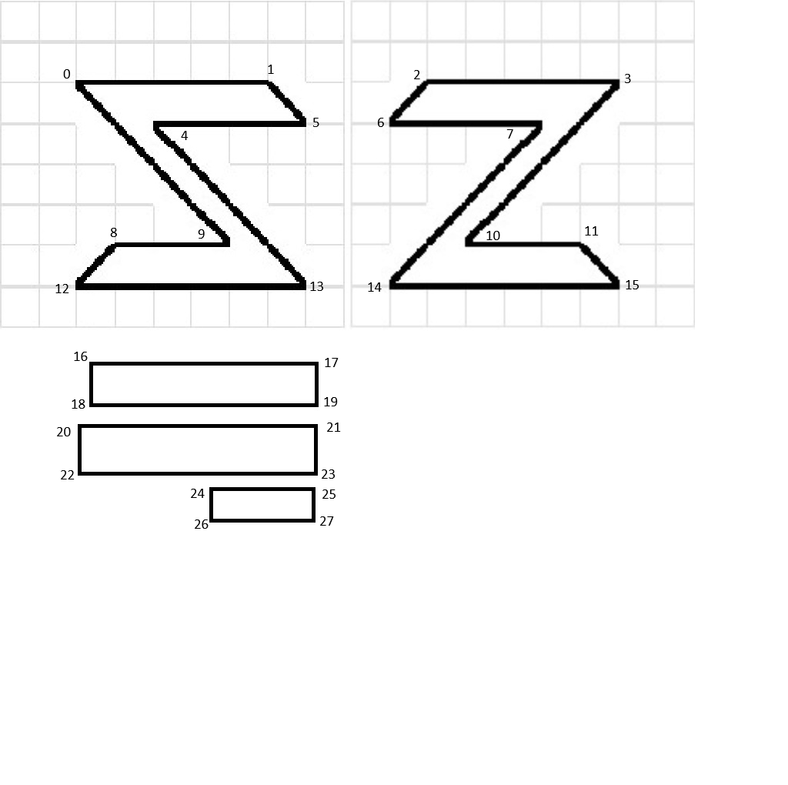
 |  |  |  |  |  |  |  |  |  |  |  |  |  |  |  |  |  |  |  |  |  |  |  |  |  |  |  |  |  |  |  | 2D vertices |  |  |  |  |  |  |  |  | 3D Vertices |  |  |  |  | 2D Texture Vertices
 |  |  |  |  |  |  |  |  |  |  |  |  |  |  |  |  |  |  |  |  |  |  |  |  |  |  |  |  |  |  |  |  | X |  | Y |  |  |  |  |  |  | x | Y |  | Z |  | Px | Py
 |  |  |  |  |  |  |  |  |  |  |  |  |  |  |  |  |  |  |  |  |  |  |  |  |  |  |  |  |  |  |  | 0 | -2 |  | 3 |  |  |  |  |  | 0 | -2 | 3 |  | 1 | 0 | 98 | 106
 |  |  |  |  |  |  |  |  |  |  |  |  |  |  |  |  |  |  |  |  |  |  |  |  |  |  |  |  |  |  |  | 1 | 2 |  | 3 |  |  |  |  |  | 1 | 3 | 3 |  | 1 | 1 | 349 | 106
 |  |  |  |  |  |  |  |  |  |  |  |  |  |  |  |  |  |  |  |  |  |  |  |  |  |  |  |  |  |  |  | 2 | -3 |  | 2 |  |  |  |  |  | 2 | -3 | 2 |  | 1 | 2 | 554 | 105
 | 0 |  |  |  |  | 1 |  |  |  |  |  |  |  |  |  |  |  |  |  |  |  |  |  |  |  |  |  |  |  |  |  | 3 | 1 |  | 2 |  |  |  |  |  | 3 | 1 | 2 |  | 1 | 3 | 804 | 105
2 |  |  |  |  |  |  |  |  |  |  |  |  |  |  |  |  |  |  |  |  |  |  |  |  |  |  |  |  |  |  |  | 4 | 1 |  | -1 |  |  |  |  |  | 4 | -1 | -2 |  | 1 | 4 | 207 | 166
 |  | 3 |  |  |  |  |  |  |  |  |  |  |  |  |  |  |  |  |  |  |  |  |  |  |  |  |  |  |  |  |  | 5 | 2 |  | -1 |  |  |  |  |  | 5 | 2 | -2 |  | 1 | 5 | 297 | 166
 |  |  |  |  |  |  |  |  |  |  |  |  |  |  |  |  |  |  |  |  |  |  |  |  |  |  |  |  |  |  |  | 6 | -3 |  | -2 |  |  |  |  |  | 6 | -3 | -3 |  | 1 | 6 | 507 | 163
 |  |  | 4 |  | 5 |  |  |  |  |  |  |  |  |  |  |  |  |  |  |  |  |  |  |  |  |  |  |  |  |  |  | 7 | 3 |  | -2 |  |  |  |  |  | 7 | 3 | -3 |  | 1 | 7 | 699 | 163
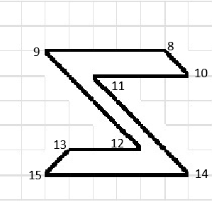
6 |  |  |  |  |  | 7 |  |  |  |  |  |  |  |  |  |  |  |  |  |  |  |  |  |  |  |  |  |  |  |  |  |  |  |  |  |  |  |  |  |  | 8 | -2 | 3 |  | -1 | 8 | 150 | 318
 |  |  |  |  |  |  |  |  |  |  |  |  |  |  |  |  |  |  |  |  |  |  |  |  |  |  |  |  |  |  |  |  |  |  |  |  |  |  |  |  | 9 | 3 | 3 |  | -1 | 9 | 294 | 318
 |  |  |  |  |  |  |  |  |  |  |  |  |  |  | 0 |  |  |  |  |  | 1 |  |  |  |  |  |  |  |  |  |  |  |  |  |  |  |  |  |  |  | 10 | -3 | 2 |  | -1 | 10 | 608 | 318
 |  |  |  |  |  |  |  |  |  |  |  |  |  | 2 |  |  |  |  |  |  |  |  |  |  |  |  |  |  |  |  |  |  |  |  |  |  |  |  |  |  | 11 | 1 | 2 |  | -1 | 11 | 754 | 318
 |  |  |  |  |  |  |  |  |  |  |  |  |  |  |  |  | 3 |  |  |  |  |  |  |  |  |  |  |  |  |  |  |  |  |  |  |  |  |  |  |  | 12 | -1 | -2 |  | -1 | 12 | 100 | 375
 |  |  |  |  |  |  |  |  |  |  |  |  |  |  |  |  |  |  |  |  |  |  |  |  |  |  |  |  |  |  |  |  |  |  |  |  |  |  |  |  | 13 | 2 | -2 |  | -1 | 13 | 396 | 375
 |  |  |  |  |  |  |  |  |  |  |  |  |  |  |  |  |  | 4 |  | 5 |  |  |  |  |  |  |  |  |  |  |  |  |  |  |  |  |  |  |  |  | 14 | -3 | -3 |  | -1 | 14 | 507 | 375
 |  |  |  |  |  |  |  |  |  |  |  |  |  | 6 |  |  |  |  |  |  | 7 |  |  |  |  |  |  |  |  |  |  |  |  |  |  |  |  |  |  |  | 15 | 3 | -3 |  | -1 | 15 | 804 | 375
 |  |  |  |  |  |  |  |  |  |  |  |  |  |  |  |  |  |  |  |  |  |  |  |  |  |  |  |  |  |  |  |  |  |  |  |  |  |  |  |  |  |  |  |  |  | 16 | 116 | 472
 |  |  |  |  |  |  |  |  |  |  | Front Face (Index) List |  |  |  |  |  |  |  |  |  |  |  |  |  |  |  |  |  | Back Face (Index) List |  |  |  |  |  |  |  |  |  |  |  |  |  |  |  |  | 17 | 413 | 472
 |  |  |  |  |  |  |  |  |  | 0 |  | 0 | 2 | 3 |  |  |  | 2 | 6 | 7 |  |  |  |  |  |  |  | 6 |  | 8 | 11 | 10 |  |  | 1 | 4 | 5 |  |  |  |  |  |  |  |  | 18 | 117 | 530
 |  |  |  |  |  |  |  |  |  | 1 |  | 0 | 3 | 1 |  |  |  | 2 | 7 | 3 |  |  |  |  |  |  |  | 7 |  | 8 | 9 | 11 |  |  | 1 | 0 | 4 |  |  |  |  |  |  |  |  | 19 | 413 | 530
 |  |  |  |  |  |  |  |  |  | 2 |  | 1 | 3 | 4 |  |  |  | 3 | 7 | 10 |  |  |  |  |  |  |  | 8 |  | 9 | 12 | 11 |  |  | 0 | 9 | 4 |  |  |  |  |  |  |  |  | 20 | 101 | 553
 |  |  |  |  |  |  |  |  |  | 3 |  | 3 | 6 | 4 |  |  |  | 7 | 14 | 10 |  |  |  |  |  |  |  | 9 |  | 11 | 12 | 14 |  |  | 4 | 9 | 13 |  |  |  |  |  |  |  |  | 21 | 412 | 553
 |  |  |  |  |  |  |  |  |  | 4 |  | 4 | 6 | 7 |  |  |  | 10 | 14 | 15 |  |  |  |  |  |  |  | 10 |  | 12 | 15 | 14 |  |  | 9 | 12 | 13 |  |  |  |  |  |  |  |  | 22 | 101 | 618
 |  |  |  |  |  |  |  |  |  | 5 |  | 4 | 7 | 5 |  |  |  | 10 | 15 | 11 |  |  |  |  |  |  |  | 11 |  | 12 | 13 | 15 |  |  | 9 | 8 | 12 |  |  |  |  |  |  |  |  | 23 | 412 | 618
 |  |  |  |  |  |  |  |  |  |  |  |  |  |  |  |  |  |  |  |  |  |  |  |  |  |  |  |  |  |  |  |  |  |  |  |  |  |  |  |  |  |  |  |  |  | 24 | 272 | 635
 |  | Bottom Face |  |  |  |  |  | Top Face |  |  |  |  |  | Side Back face |  |  |  |  |  |  |  | Side Front Face |  |  |  | Bottom Cover Face |  |  |  |  |  | Top Cover Face |  |  |  |  | Top Font Face |  |  |  |  | Bottom Front Face |  |  |  | 25 | 409 | 635
 |  |  |  |  |  |  |  |  |  |  |  |  |  |  |  |  |  |  |  |  |  |  |  |  |  |  |  |  |  |  |  |  |  |  |  |  |  |  |  |  |  |  |  |  |  | 26 | 272 | 679
 |  | 12 |  | 6 | 14 | 15 | 14 |  | 0 | 1 | 8 |  |  | 16 |  | 1 | 4 | 12 |  |  |  | 18 | 11 | 14 | 6 | 20 | 2 | 10 | 11 |  |  | 22 | 12 | 4 | 5 |  | 24 | 8 | 10 | 2 |  | 26 | 5 | 7 | 15 | 27 | 409 | 679
 |  | 13 |  | 6 | 15 | 7 | 15 |  | 8 | 1 | 9 |  |  | 17 |  | 1 | 12 | 9 |  |  |  | 19 | 11 | 6 | 3 | 21 | 2 | 11 | 3 |  |  | 23 | 12 | 5 | 13 |  | 25 | 8 | 2 | 0 |  | 27 | 5 | 15 | 13

